sd1
 |  |  | Block 0 |  |  |  |  | Block 1 |  |  |  |  | Block 2
Participant | Initial | Group | 1 | 2 | 3 | 4 | 5 | 1 | 2 | 3 | 4 | 5 | 1 | 2 | 3 | 4 | 5
P01 | TH | 2 | 1783 | 720 | 1458 | 1491 | 897 | 769 | 1188 | 686 | 991 | 863 | 539 | 788 | 618 | 614 | 955
P02 | CB | 1 | 934 | 1234 | 773 | 1193 | 768 | 960 | 720 | 867 | 762 | 678 | 776 | 979 | 558 | 652 | 526
P03 | VW | 2 | 1099 | 1231 | 1111 | 823 | 718 | 1456 | 713 | 823 | 952 | 737 | 1053 | 1380 | 1126 | 455 | 698
P04 | KG | 1 | 3870 | 3715 | 783 | 1578 | 1212 | 3285 | 2047 | 967 | 2340 | 972 | 1346 | 817 | 3270 | 2377 | 976
P05 | NS | 2 | 1102 | 825 | 1106 | 1277 | 1610 | 6955 | 1679 | 1531 | 2146 | 1884 | 1873 | 1313 | 1736 | 2335 | 1732
P06 | SS | 1 | 2294 | 2666 | 2350 | 2899 | 1238 | 1659 | 732 | 1233 | 1156 | 678 | 1041 | 1192 | 1099 | 1339 | 1056

 |  |  |  | Mean Task Completion Time |  |  |  |  | MEANS
 |  |  |  | B0 | B1 | B2 |  |  | B0 | B1 | B2 |  |  |  | STDEV
 |  | 8H | P01 | 1269.8 | 899.4 | 702.8 |  | 8H | 1150.066667 | 1558.2 | 1147.666667 |  |  | 139.8230787 | 1109.35794 | 575.6362161
 |  | 8H | P03 | 996.4 | 936.2 | 942.4 |  | 5H | 1833.8 | 1270.4 | 1200.266667 |  |  | 739.630908 | 583.3273866 | 531.6277018
 |  | 8H | P05 | 1184 | 2839 | 1797.8
 |  | 5H | P06 | 2289.4 | 1091.6 | 1145.4
 |  | 5H | P02 | 980.4 | 797.4 | 698.2
 |  | 5H | P04 | 2231.6 | 1922.2 | 1757.2

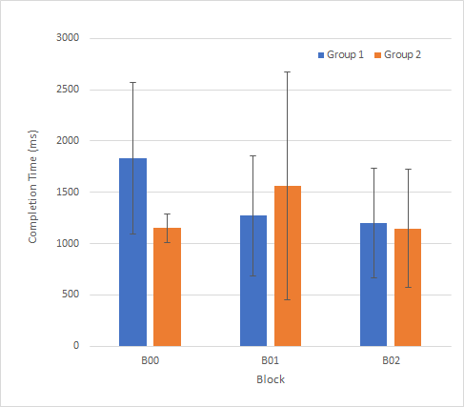
 |  |  |  |  |  |  |  |  | 8H | 5H
 |  |  |  |  |  |  |  | B00 | 1150.0666667 | 1833.8
 |  |  |  |  |  |  |  | B01 | 1558.2 | 1270.4
 |  |  |  |  |  |  |  | B02 | 1147.6666667 | 1200.2666667

